Sheet1
 |  | Document No. | Issue No. | Issue Date |  | Review and Replace Date |  |  | Authorised By
 |  | GFF384MC | 1 | 27.03.2023 |  | New Issue
 |  | Document Title | BROCCOLI AND BUTTERNUT SQUASH DHAL WITH BROWN RICE 400G
 |  | New tray, new recipes |  |  | Page |  |  | 1 of 1 | Magda Shah
Document amendments reason for change |  |  |  |  | Previous Issue Date |  |  | New Issue | Uncontrolled copy unless signed original

FVDBSR2-R8TMC | MINDFUL CHEF |  | BROCCOLI AND BUTTERNUT SQUASH DHAL & BROWN RICE 400G | FROZEN
STEP 1 |  |  |  |  | STEP 2
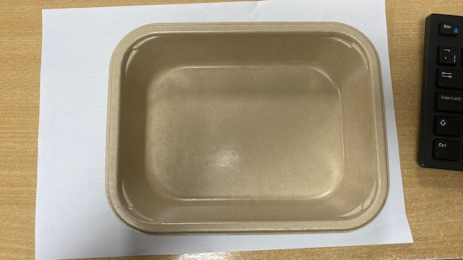 |  |  |  |  | 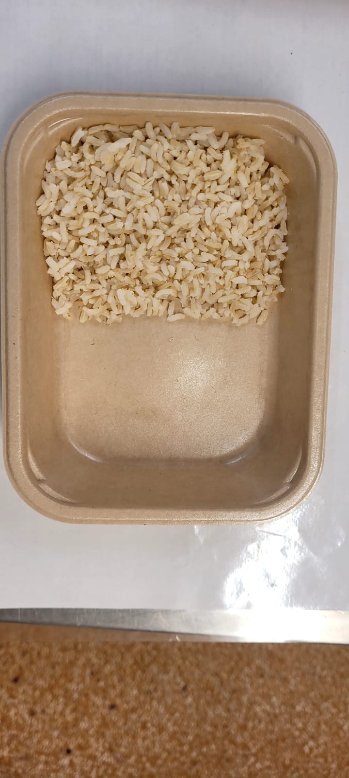
NEW
RECIPES

PACK DAY + 1 YEAR
NON-MAP PACK

Tray: Flat Tray-PET Fresh Fibre Food Tray (200 x 155 x 39)-PKHUH001-01 |  |  |  |  | Brown Rice NEW (MC) (GFF434R): 100g
Film: K peel 7G+25A/f-275mm-(PKKMP001-03)
STEP 3 |  |  | STEP 4 |  |  |  | STEP 5
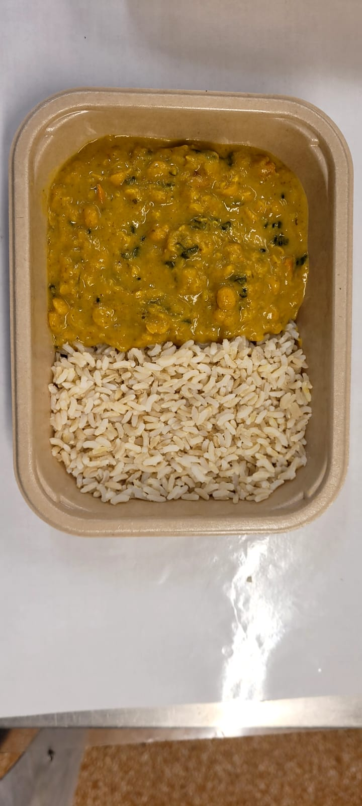 |  |  | 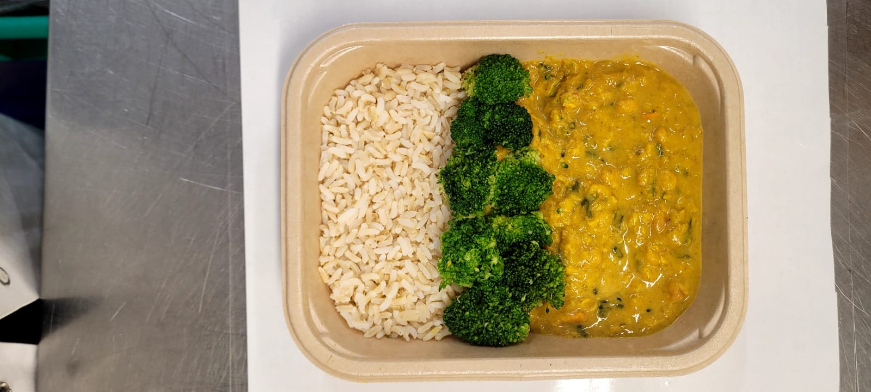 |  |  |  | 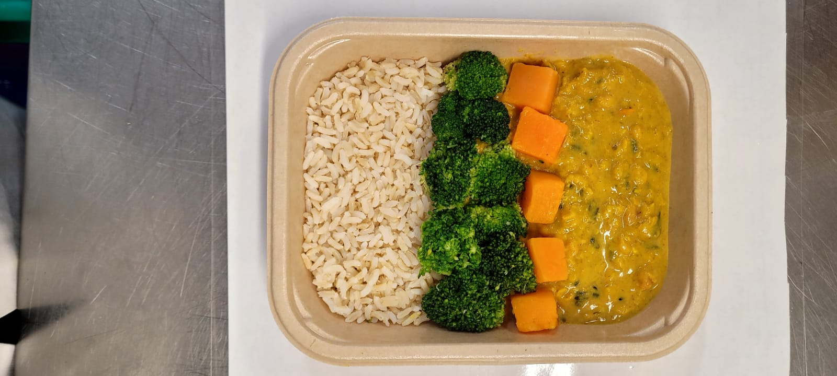

Spinach Dhal NEW(MC) (GFF440R): 220g |  |  | Steamed Broccoli Florets (MC) (GFF291R) 50g |  |  |  | Roasted Butternut Squash (MC) (GFF441R): 30g |  |  | TOTAL WEIGHT: 400g

ALLERGY ALERT: none

